Dashboard
30 Concurrent Userstest - 13.0.2 & 11.0.3 -Combined User Load Comparison report
Response Time Results - Comparison
Sr. No. | Test Scenarios |  |  |  |  |  |  | 90% line (ms) for 13.0.2 build | 90% line (ms) for 11.0.3 build
31 | Cirrus_004_TransferAssets_009_Dest-Src_Transfer Asset from Dest to Src |  |  |  |  |  |  | 8953 | 2002
28 | Cirrus_004_TransferAssets_006_Src-Dest_Transfer Asset from Src to Dest |  |  |  |  |  |  | 8058 | 2044
2 | Cirrus_000_Login |  |  |  |  |  |  | 6361 | 5384
20 | Cirrus_003_Assets_006_Edit Asset |  |  |  |  |  |  | 5631 | 2634
21 | Cirrus_003_Assets_007_Delete Asset |  |  |  |  |  |  | 5391 | 1604

LEGEND
Sr. No. | Test Scenarios |  | Load Test Scripts |  |  |  |  |  |  |  | Oracle Statspack report
1 | 30 Concurrent Users 13.0.2 build Start time - 10:03:38 End time - 11:16:55 Duration - 01:13:17 1 hr 14 |  | Combined user load test with following Transaction scenarios Script 1 => Employee - Add Edit Delete => 3 users => 10% Script 2 => Locations - Add Edit Delete => 3 users => 10% Script 3 => Assets - Add Edit Delete => 3 users => 10% Script 4 => Assignments & Transfer Assets => 21 users => 70%
2 | 30 Concurrent Users 11.0.3 build Start time - 10:57:17 End time - 11:26:05 Duration - 28 min 48 sec

WEB Summary |  |  |  |  |  |  |  |  |  |  | Please Click Here to Goto Response Time Results
 | CPU Usage(%) |  | Disk I/O per sec(KB/sec) |  | Memory Utilisation(%) |  | Network Reads(KB/sec) |  | Network Writes(KB/sec) |  |  | `
Options | Maximum | 90th %ile | Maximum | 90th %ile | Maximum | 90th %ile | R Maximum | R 90th %ile | W Minimum | W 10th %ile
30 Users 13.0.2 | 6.7 | 5 | 13.8 | 9.8 | 39% | 39% | 2268.6 | 1443.99 | -2351.9 | -1500.21
30 Users 11.0.3 | 9.3 | 7.2 | 18.2 | 16.2 | 31% | 31% | 4125.9 | 3365.1 | -4335.3 | -3537.6
CPU
DISK I/O

Memory
Network I/O

High Level Comparison of Resource Utilization - Summary
WLB Summary
 | CPU Usage(%) |  | Disk I/O per sec(KB/sec) |  | Memory Utilisation(%) |  | Network Reads(KB/sec) |  | Network Writes(KB/sec)
Options | Maximum | 90th %ile | Maximum | 90th %ile | Maximum | 90th %ile | R Maximum | R 90th %ile | W Minimum | W 10th %ile
30 Users 13.0.2 | 49.1 | 30.9 | 9 | 5.6 | 32% | 32% | 3112.6 | 2182.78 | -3090.4 | -2174.65
30 Users 11.0.3 | 87.5 | 66.4 | 8.4 | 6 | 31% | 31% | 6086.9 | 5312.3 | -6002.9 | -5215.6

CPU
DISK I/O

Memory
Network I/O

High Level Comparison of Resource Utilization - Summary
API Summary
 | CPU Usage(%) |  | Disk I/O per sec(KB/sec) |  | Memory Utilisation(%) |  | Network Reads(KB/sec) |  | Network Writes(KB/sec)
Options | Maximum | 90th %ile | Maximum | 90th %ile | Maximum | 90th %ile | R Maximum | R 90th %ile | W Minimum | W 10th %ile
30 Users 13.0.2 | 49.1 | 38.71 | 27.4 | 21.8 | 87% | 87% | 672.2 | 487.45 | -765.4 | -608.11
30 Users 11.0.3 | 73 | 66.1 | 27.9 | 24.4 | 100% | 99% | 1413.8 | 1118.3 | -1443.7 | -1334

CPU
DISK I/O

Memory
Network I/O

High Level Comparison of Resource Utilization - Summary
APS Summary
 | CPU Usage(%) |  | Disk I/O per sec(KB/sec) |  | Memory Utilisation(%) |  | Network Reads(KB/sec) |  | Network Writes(KB/sec)
Options | Maximum | 90th %ile | Maximum | 90th %ile | Maximum | 90th %ile | R Maximum | R 90th %ile | W Minimum | W 10th %ile
30 Users 13.0.2 | 39.3 | 31.57 | 37.3 | 22.21 | 100% | 99% | 1202.4 | 1055.81 | -1316.8 | -1152.7
30 Users 11.0.3 | 67.9 | 51.34 | 60.7 | 45.5 | 86% | 86% | 2204.4 | 2042.1 | -2200.1 | -2044.8

CPU
DISK I/O

Memory
Network I/O

High Level Comparison of Resource Utilization - Summary
APP Summary
 | CPU Usage(%) |  | Disk I/O per sec(KB/sec) |  | Memory Utilisation(%) |  | Network Reads(KB/sec) |  | Network Writes(KB/sec)
Options | Maximum | 90th %ile | Maximum | 90th %ile | Maximum | 90th %ile | R Maximum | R 90th %ile | W Minimum | W 10th %ile
30 Users 13.0.2 | 42.3 | 28.91 | 25.2 | 16.8 | 84% | 84% | 515.3 | 386.52 | -2065.2 | -1289.7
30 Users 11.0.3 | 67.5 | 53.6 | 27 | 20.8 | 76% | 76% | 910.7 | 856.68 | -3774.9 | -3127.43

CPU
DISK I/O

Memory
Network I/O

WEB Summary
CPU Total % Usage
 | 30 Users 13.0.2 | 30 Users 11.0.3 | Safe Line
0:00:00 | 2.3 | 2 | 75
0:00:05 | 4.7 | 0.2 | 75
0:00:10 | 3.8 | 2.2 | 75
0:00:15 | 4.1 | 2.1 | 75
0:00:20 | 6.3 | 2.1 | 75
0:00:25 | 5 | 1.3 | 75
0:00:30 | 4.3 | 1.1 | 75
0:00:35 | 3.8 | 2.1 | 75
0:00:40 | 4.7 | 3.5 | 75
0:00:45 | 4.4 | 3.9 | 75
0:00:50 | 3.3 | 4 | 75
0:00:55 | 3.7 | 6.1 | 75
0:01:00 | 5.7 | 6.5 | 75
0:01:05 | 5 | 4.2 | 75
0:01:10 | 4.6 | 6.3 | 75
0:01:15 | 4.7 | 5.7 | 75
0:01:20 | 5.4 | 6.1 | 75
0:01:25 | 4.2 | 4.4 | 75
0:01:30 | 4.1 | 6.6 | 75
0:01:35 | 4.1 | 6.4 | 75
0:01:40 | 5.3 | 5.4 | 75
0:01:45 | 4.3 | 5.7 | 75
0:01:50 | 4.9 | 6 | 75
0:01:55 | 4.7 | 7.1 | 75
0:02:00 | 5.6 | 3.2 | 75
0:02:05 | 4.3 | 6.2 | 75
0:02:10 | 2.5 | 9.3 | 75
0:02:15 | 4.2 | 3.3 | 75
0:02:20 | 6.2 | 6.4 | 75
0:02:25 | 3.8 | 8 | 75
0:02:30 | 3.7 | 3.8 | 75
0:02:35 | 5 | 5.7 | 75
0:02:40 | 5.8 | 6.4 | 75
0:02:45 | 4 | 4.8 | 75
0:02:50 | 3 | 6.1 | 75
0:02:55 | 3.4 | 5.2 | 75
0:03:00 | 5.7 | 6.7 | 75
0:03:05 | 4.1 | 5.3 | 75
0:03:10 | 4.2 | 6.1 | 75
0:03:15 | 3.8 | 4.7 | 75
0:03:20 | 6.6 | 8.5 | 75
0:03:25 | 5.5 | 2.9 | 75
0:03:30 | 2.7 | 6.2 | 75
0:03:35 | 3.8 | 7.7 | 75
0:03:40 | 6.3 | 3.2 | 75
0:03:45 | 4.4 | 6.5 | 75
0:03:50 | 2.4 | 7 | 75
0:03:55 | 4.5 | 5.9 | 75
0:04:00 | 5.4 | 4.7 | 75
0:04:05 | 6 | 7.9 | 75
...
Disk I/O per second
 | 30 Users 13.0.2 | 30 Users 11.0.3
0:00:00 | 0.8 | 0.8
0:00:05 | 0.8 | 1
0:00:10 | 1.2 | 0.6
0:00:15 | 2.4 | 0.6
0:00:20 | 0 | 0.6
0:00:25 | 1.2 | 1.4
0:00:30 | 1.6 | 1
0:00:35 | 12.8 | 1.2
0:00:40 | 1.6 | 0.8
0:00:45 | 2.2 | 2.2
0:00:50 | 1 | 1
0:00:55 | 0 | 1
0:01:00 | 1 | 2.2
0:01:05 | 12 | 1
0:01:10 | 1.4 | 1
0:01:15 | 1 | 17
0:01:20 | 1.4 | 1
0:01:25 | 1.2 | 1
0:01:30 | 1 | 1.4
0:01:35 | 11.8 | 2
0:01:40 | 2.8 | 1
0:01:45 | 1.6 | 17
0:01:50 | 1 | 1
0:01:55 | 0 | 0.8
0:02:00 | 1.8 | 1.6
0:02:05 | 11.2 | 1
0:02:10 | 1.6 | 2.2
0:02:15 | 1.6 | 17
0:02:20 | 1.8 | 0.8
0:02:25 | 1.2 | 0.8
0:02:30 | 1 | 1.4
0:02:35 | 11.2 | 1
0:02:40 | 1.6 | 0.8
0:02:45 | 1 | 16.4
0:02:50 | 2.2 | 0.8
0:02:55 | 1 | 0.8
0:03:00 | 1 | 1.8
0:03:05 | 12 | 1.4
0:03:10 | 1.4 | 1
0:03:15 | 1 | 16.8
0:03:20 | 1.4 | 2
0:03:25 | 2.6 | 1
0:03:30 | 0.8 | 1.4
0:03:35 | 10.8 | 1
0:03:40 | 1.4 | 2
0:03:45 | 1.4 | 16.6
0:03:50 | 1.4 | 1
0:03:55 | 1 | 2
0:04:00 | 1.6 | 1.6
0:04:05 | 12 | 1
...

Memory Usage
 | 30 Users 13.0.2 | 30 Users 11.0.3
0:00:00 | 37.73% | 29.66%
0:00:05 | 37.74% | 29.65%
0:00:10 | 37.74% | 29.65%
0:00:15 | 37.76% | 29.65%
0:00:20 | 37.75% | 29.65%
0:00:25 | 37.76% | 29.66%
0:00:30 | 37.75% | 29.65%
0:00:35 | 37.75% | 29.65%
0:00:40 | 37.75% | 29.66%
0:00:45 | 37.75% | 29.66%
0:00:50 | 37.75% | 29.66%
0:00:55 | 37.76% | 29.67%
0:01:00 | 37.76% | 29.67%
0:01:05 | 37.77% | 29.69%
0:01:10 | 37.76% | 29.68%
0:01:15 | 37.76% | 29.69%
0:01:20 | 37.77% | 29.70%
0:01:25 | 37.78% | 29.70%
0:01:30 | 37.77% | 29.70%
0:01:35 | 37.78% | 29.71%
0:01:40 | 37.78% | 29.72%
0:01:45 | 37.79% | 29.71%
0:01:50 | 37.79% | 29.72%
0:01:55 | 37.79% | 29.73%
0:02:00 | 37.79% | 29.73%
0:02:05 | 37.79% | 29.73%
0:02:10 | 37.79% | 29.74%
0:02:15 | 37.79% | 29.75%
0:02:20 | 37.79% | 29.75%
0:02:25 | 37.81% | 29.76%
0:02:30 | 37.81% | 29.76%
0:02:35 | 37.81% | 29.76%
0:02:40 | 37.81% | 29.77%
0:02:45 | 37.82% | 29.77%
0:02:50 | 37.81% | 29.78%
0:02:55 | 37.81% | 29.78%
0:03:00 | 37.82% | 29.78%
0:03:05 | 37.82% | 29.79%
0:03:10 | 37.82% | 29.79%
0:03:15 | 37.82% | 29.80%
0:03:20 | 37.82% | 29.81%
0:03:25 | 37.84% | 29.81%
0:03:30 | 37.83% | 29.81%
0:03:35 | 37.84% | 29.82%
0:03:40 | 37.84% | 29.82%
0:03:45 | 37.84% | 29.82%
0:03:50 | 37.84% | 29.83%
0:03:55 | 37.84% | 29.83%
0:04:00 | 37.85% | 29.83%
0:04:05 | 37.85% | 29.84%
...
 | Read 30 Users 13.0.2 | Read 30 Users 11.0.3 | Write30 Users 13.0.2 | Write 30 Users 11.0.3
0:00:00 | 1227.7 | 5.6 | -1278.6 | -7.4
0:00:05 | 1077 | 0.4 | -1121.7 | -0.6
0:00:10 | 1594.2 | 6 | -1657 | -8
0:00:15 | 1780.6 | 6 | -1851.7 | -8
0:00:20 | 1469.1 | 6 | -1524.2 | -8
0:00:25 | 1849.1 | 2.9 | -1920.1 | -6.3
0:00:30 | 1079 | 3.3 | -1121 | -4.4
0:00:35 | 1140.3 | 6 | -1185.9 | -8
0:00:40 | 919.7 | 945.6 | -960 | -995.8
0:00:45 | 1333.5 | 1459.3 | -1385.8 | -1536.9
0:00:50 | 998.6 | 2421.3 | -1036.7 | -2546
0:00:55 | 1706 | 2700.3 | -1771.9 | -2839.5
0:01:00 | 1367.6 | 2899.9 | -1417.9 | -3052.9
0:01:05 | 1809.2 | 2224.2 | -1875.6 | -2341.4
0:01:10 | 1416.6 | 3173.3 | -1470.9 | -3338.1
0:01:15 | 1184.8 | 2546.2 | -1234.8 | -2677.7
0:01:20 | 957.5 | 2842.3 | -997.3 | -2994
0:01:25 | 1444.8 | 2547.9 | -1500.3 | -2679.5
0:01:30 | 1085.2 | 2644.2 | -1130 | -2783.4
0:01:35 | 1443.9 | 2635.8 | -1500.4 | -2777.9
0:01:40 | 806.4 | 3003.8 | -845.6 | -3153.6
0:01:45 | 2086.7 | 2486.7 | -2156.1 | -2617.3
0:01:50 | 1445.3 | 2613.1 | -1500.2 | -2753.9
0:01:55 | 1422.2 | 3858.8 | -1483 | -4057.1
0:02:00 | 963.2 | 1760.8 | -1001.1 | -1852.5
0:02:05 | 963.8 | 2294.6 | -1000.8 | -2415.4
0:02:10 | 1125.4 | 3897.4 | -1173 | -4099.1
0:02:15 | 1724.1 | 1622.7 | -1787.3 | -1707.3
0:02:20 | 820 | 2923.7 | -853.8 | -3081.8
0:02:25 | 1750.8 | 3480.9 | -1812.7 | -3661.8
0:02:30 | 1469.1 | 1578.7 | -1522.4 | -1661.6
0:02:35 | 1735.8 | 3324.4 | -1799.6 | -3491.8
0:02:40 | 986.5 | 2568.8 | -1026.1 | -2701.3
0:02:45 | 1451 | 1700.5 | -1504.2 | -1792.3
0:02:50 | 779 | 3997.4 | -812.4 | -4196.1
0:02:55 | 1616.7 | 2229 | -1679 | -2342.2
0:03:00 | 789.2 | 2731.8 | -824 | -2870.8
0:03:05 | 1723 | 2360.5 | -1785.1 | -2482.1
0:03:10 | 993.9 | 3378.9 | -1035.9 | -3556.8
0:03:15 | 1765.8 | 1688.6 | -1838.8 | -1776
0:03:20 | 1606.2 | 3901.6 | -1664.9 | -4103.8
0:03:25 | 1261.1 | 1679.4 | -1307.7 | -1766.2
0:03:30 | 844.2 | 2585.7 | -879.6 | -2722.2
0:03:35 | 1866.5 | 3679.7 | -1935 | -3868.5
0:03:40 | 1030.4 | 1552.2 | -1073.9 | -1634
0:03:45 | 1101.7 | 3180.9 | -1145.3 | -3342.8
0:03:50 | 1317.2 | 3244.3 | -1368.7 | -3409.3
0:03:55 | 1557.5 | 2235 | -1617.3 | -2351.8
0:04:00 | 2126.4 | 2782.7 | -2205.8 | -2923.9
0:04:05 | 723.9 | 3570.2 | -755.7 | -3750.1
...

WLB Summary
CPU Total % Usage
 | 30 users 13.0.2 |  | 30 users 11.0.3
0:00:00 | 20.1 | 0:00:00
0:00:05 | 25.1 | 0:00:05
0:00:10 | 24.7 | 0:00:10
0:00:15 | 37.5 | 0:00:15
0:00:20 | 24.7 | 0:00:20
0:00:25 | 35.6 | 0:00:25
0:00:30 | 24.2 | 0:00:30
0:00:35 | 27.7 | 0:00:35
0:00:40 | 23.2 | 0:00:40
0:00:45 | 46.5 | 0:00:45
0:00:50 | 21.9 | 0:00:50
0:00:55 | 35.8 | 0:00:55
0:01:00 | 26.2 | 0:01:00
0:01:05 | 35.1 | 0:01:05
0:01:10 | 30.3 | 0:01:10
0:01:15 | 29.7 | 0:01:15
0:01:20 | 23 | 0:01:20
0:01:25 | 30.6 | 0:01:25
0:01:30 | 28.2 | 0:01:30
0:01:35 | 45.3 | 0:01:35
0:01:40 | 26.1 | 0:01:40
0:01:45 | 32.1 | 0:01:45
0:01:50 | 29.1 | 0:01:50
0:01:55 | 31 | 0:01:55
0:02:00 | 21.3 | 0:02:00
0:02:05 | 24.4 | 0:02:05
0:02:10 | 27.3 | 0:02:10
0:02:15 | 30.8 | 0:02:15
0:02:20 | 23.1 | 0:02:20
0:02:25 | 31.5 | 0:02:25
0:02:30 | 29.5 | 0:02:30
0:02:35 | 55.7 | 0:02:35
0:02:40 | 24.9 | 0:02:40
0:02:45 | 27 | 0:02:45
0:02:50 | 22.1 | 0:02:50
0:02:55 | 33.5 | 0:02:55
0:03:00 | 23.2 | 0:03:00
0:03:05 | 30.7 | 0:03:05
0:03:10 | 24 | 0:03:10
0:03:15 | 33.9 | 0:03:15
0:03:20 | 30 | 0:03:20
0:03:25 | 25.6 | 0:03:25
0:03:30 | 22.9 | 0:03:30
0:03:35 | 32.3 | 0:03:35
0:03:40 | 47 | 0:03:40
0:03:45 | 25.1 | 0:03:45
0:03:50 | 26.7 | 0:03:50
0:03:55 | 29.9 | 0:03:55
0:04:00 | 34.7 | 0:04:00
0:04:05 | 21.6 | 0:04:05
...
Disk I/O per second

Memory Usage

API Summary
CPU Total % Usage
Disk I/O per second

Memory Usage

APS Summary
CPU Total % Usage
Disk I/O per second

Memory Usage

APP Summary
CPU Total % Usage
Disk I/O per second

Memory Usage

DB Utilization Summary
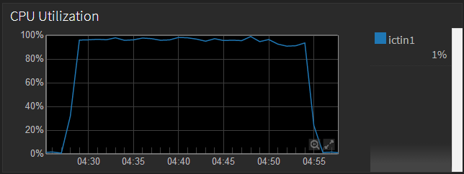
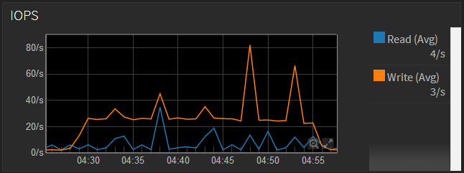
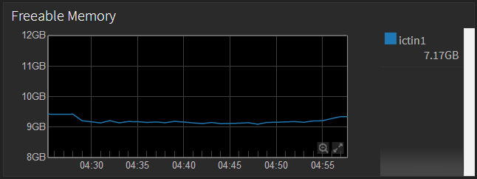
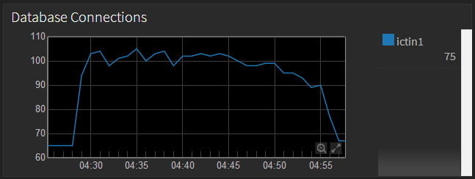
30 users 13.0.2 build

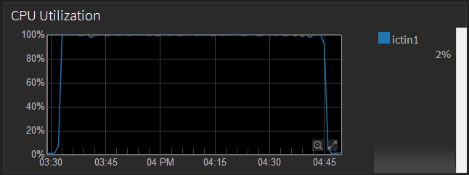
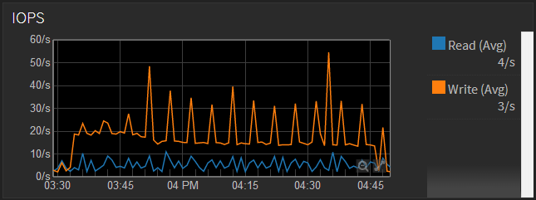

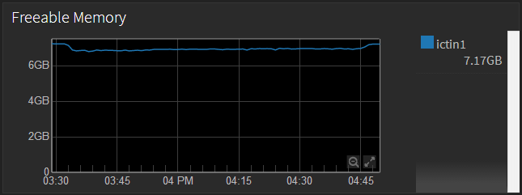
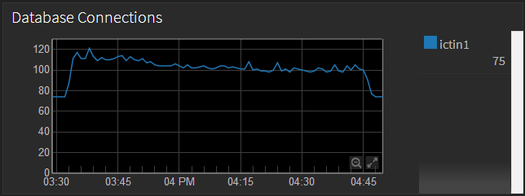

30 users 13.0.2 build

